Sheet1
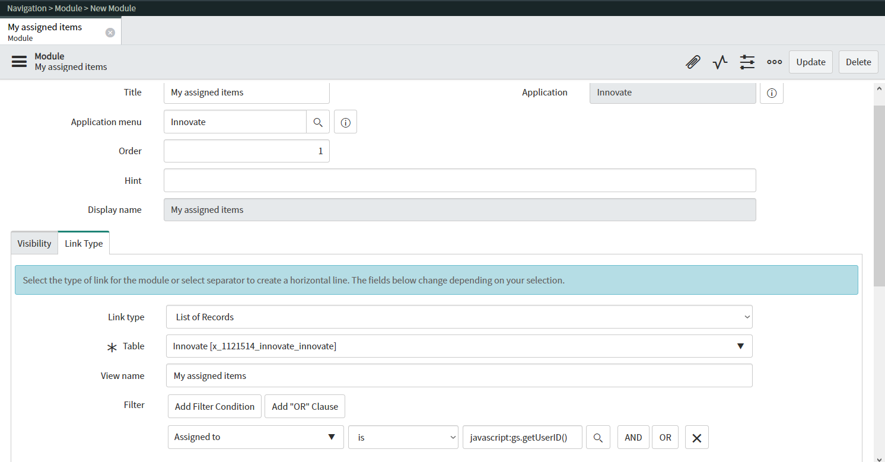
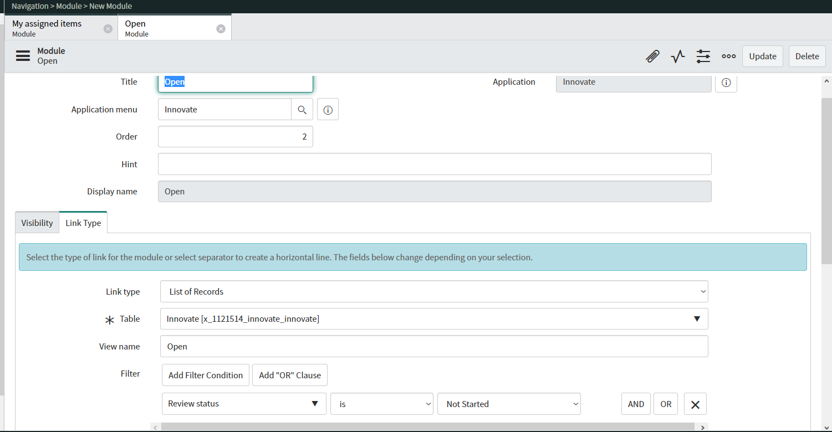
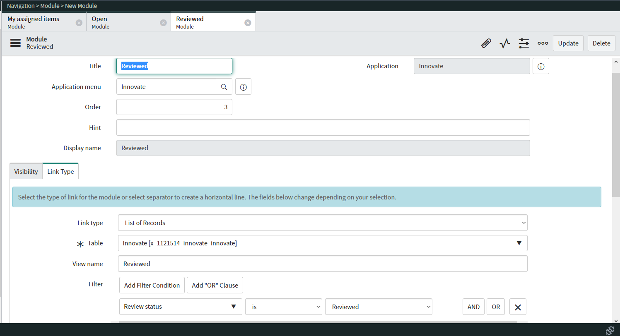
Name: | Steve Wilben R. Saceda | Exercise/Laboratory: | ServiceNow Studio
Block/Section: | G2 | Date: | September 11, 2023
Github Repository Link:

General Instructions:

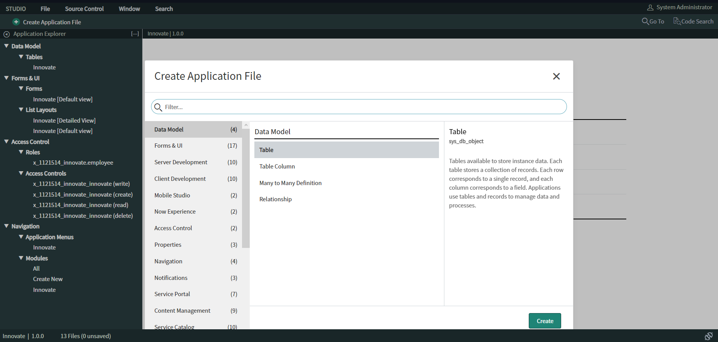

1 Create table column fields.

A Review status
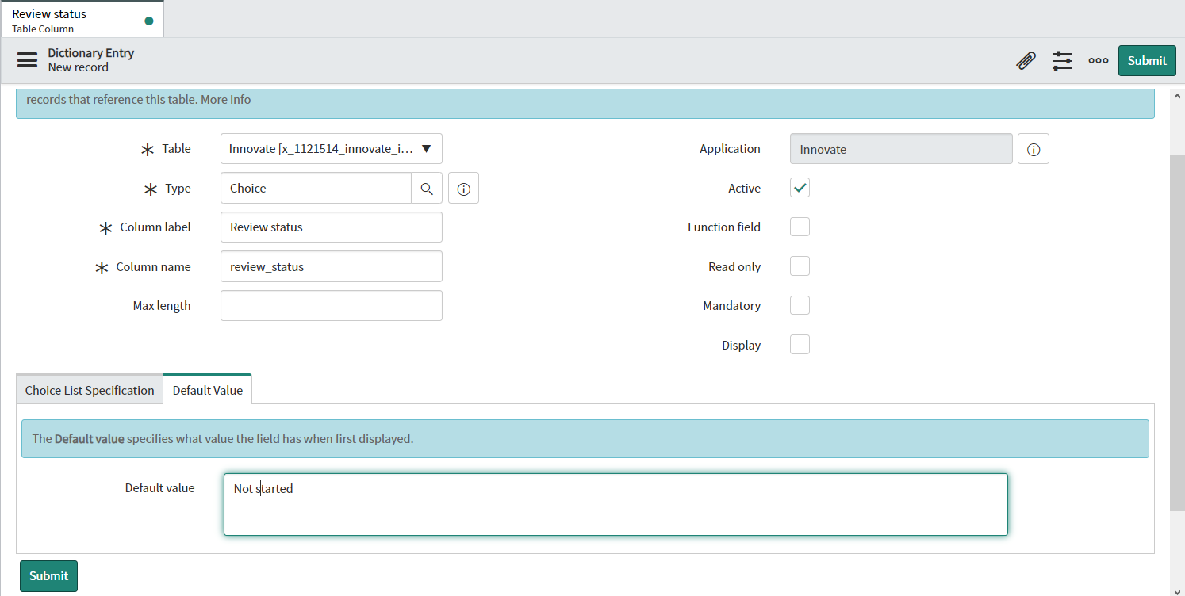

B Assigned To
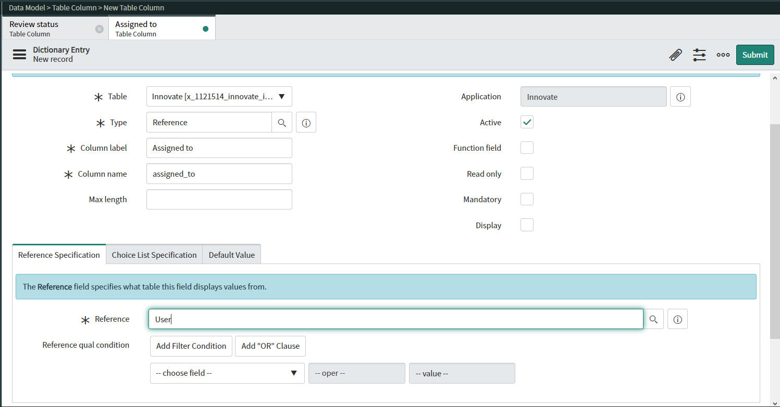

2 Create the list default layout if it is not already listed on the Application Explorer panel.

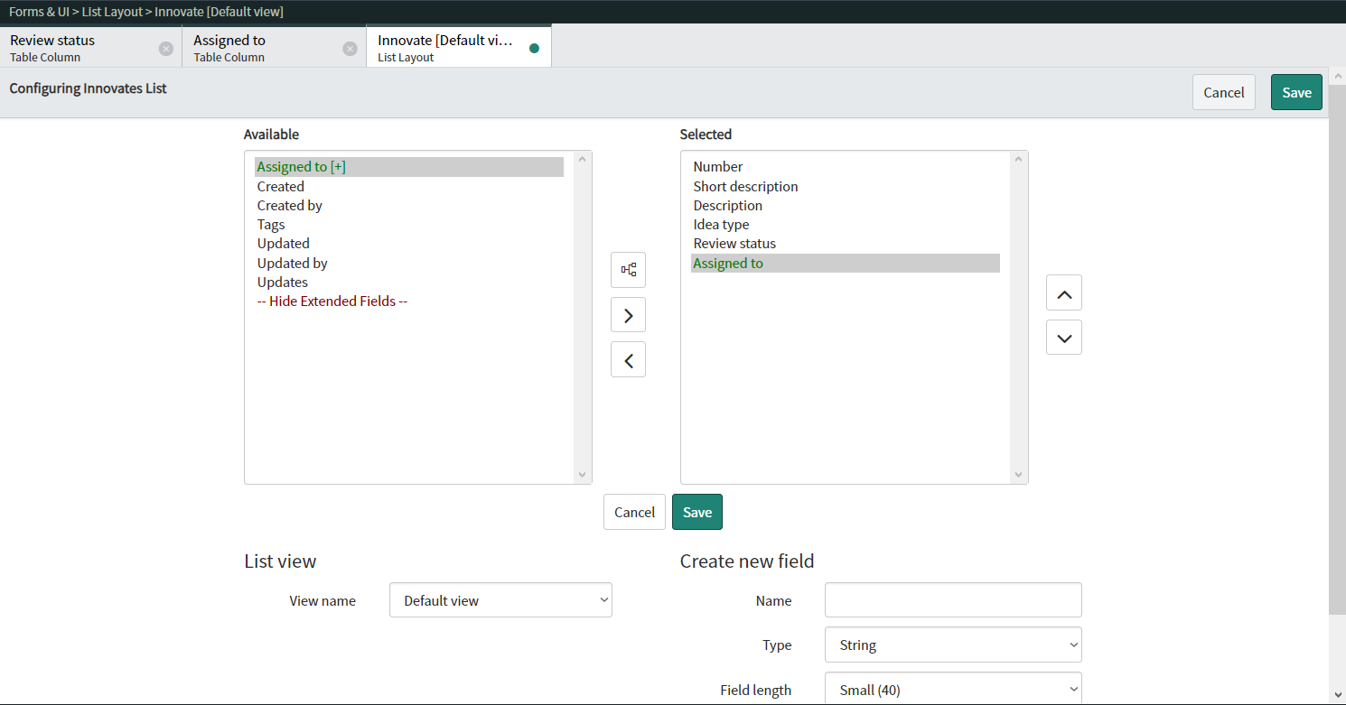

3. Create a new list layout view named, Report view.
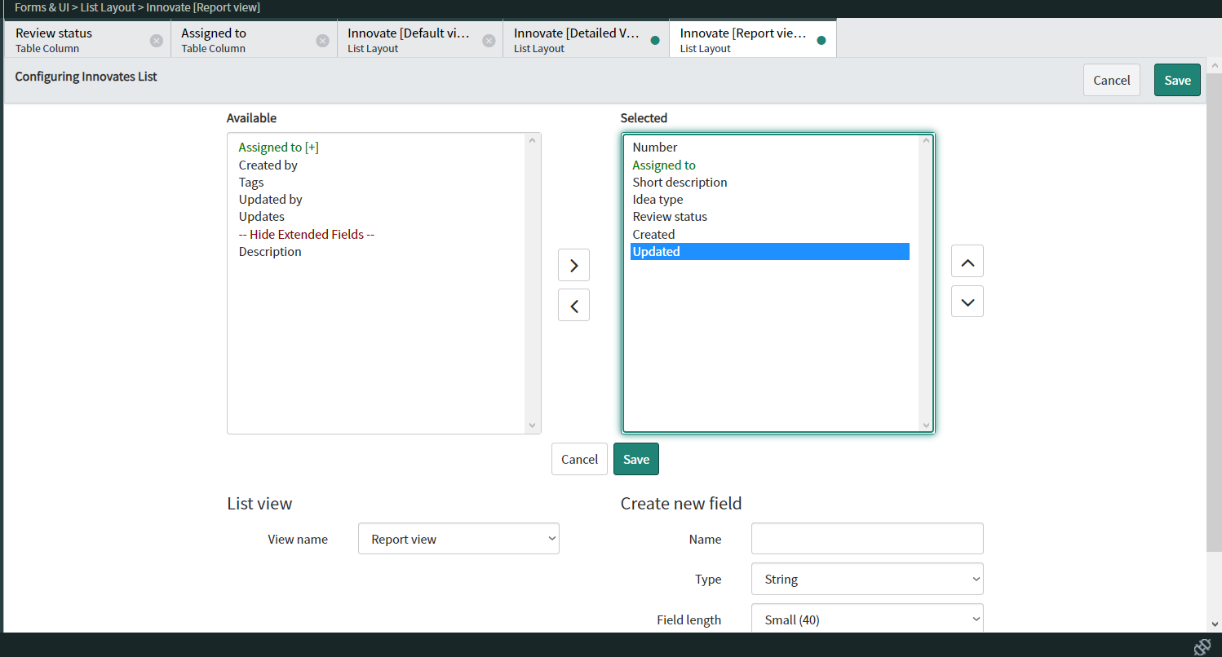

5 Create the form default layout if it is not already listed on the Application Explorer

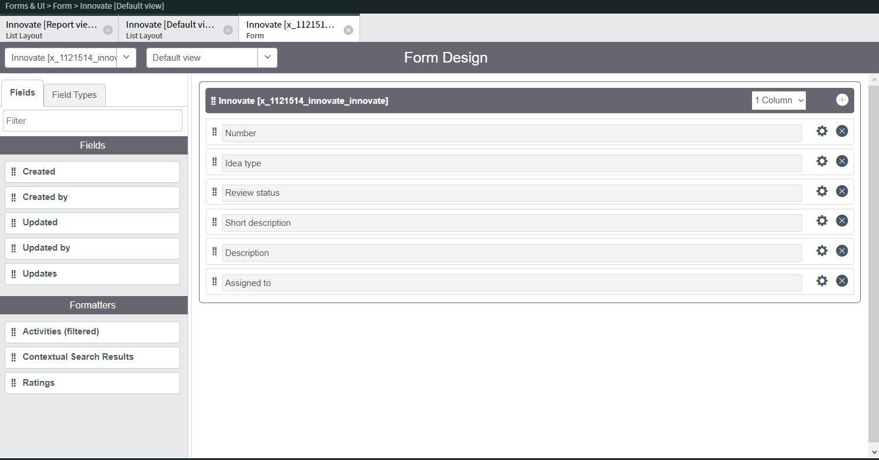

6 Create a new form layout view named, Proposal view

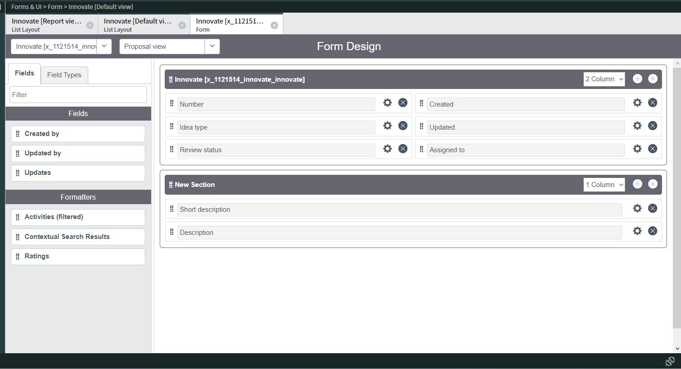

8 Create additional application modules

